Sheet1
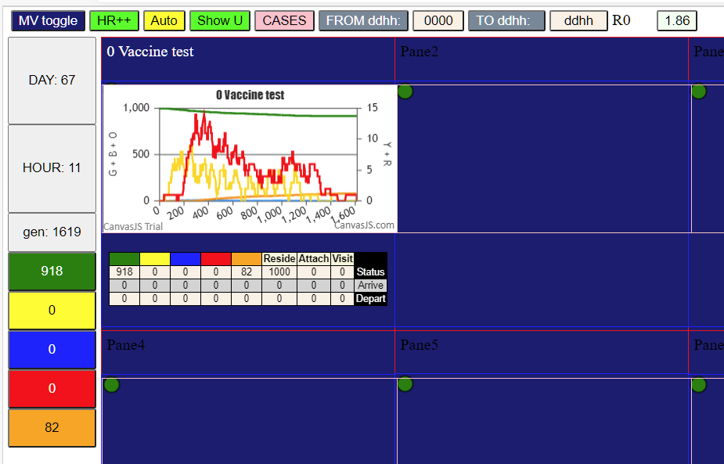

100% pop vax
D0 | 72
D21 | 690

